Special Considerations
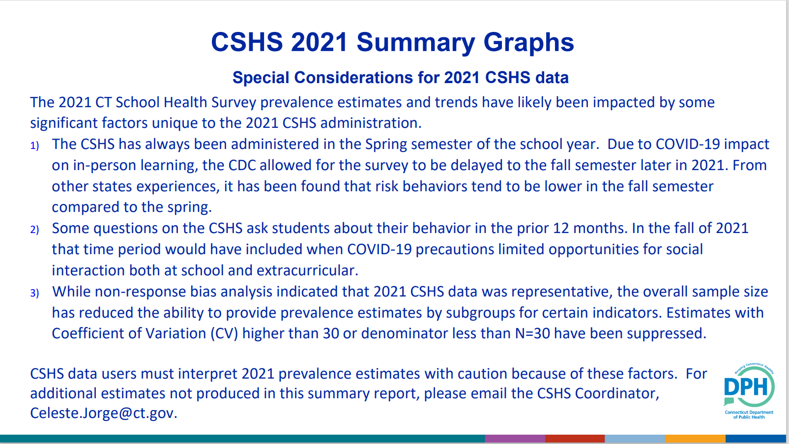

YRBS Summary
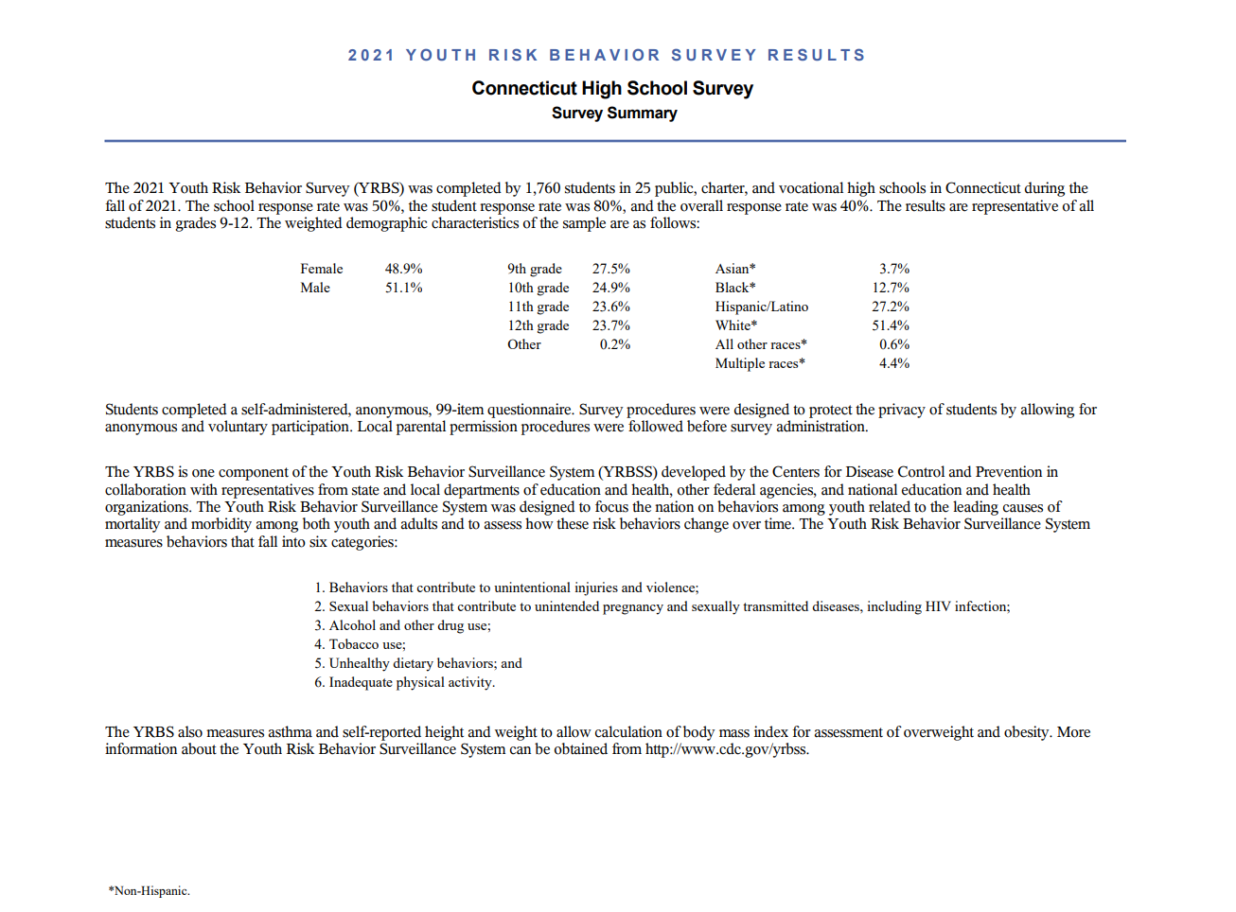

FOR MORE INFORMATION ON THE CT YRBS GO TO https://portal.ct.gov/dph/Health-Information-Systems--Reporting/Hisrhome/Connecticut-School-Health-Survey

